Earthquake Time
Earthquakes | Info
1 | Ridgecrest Aftershock
2 | East Ridgecrest - Wagon Wheel Mount.
3 | SE Hawthrone
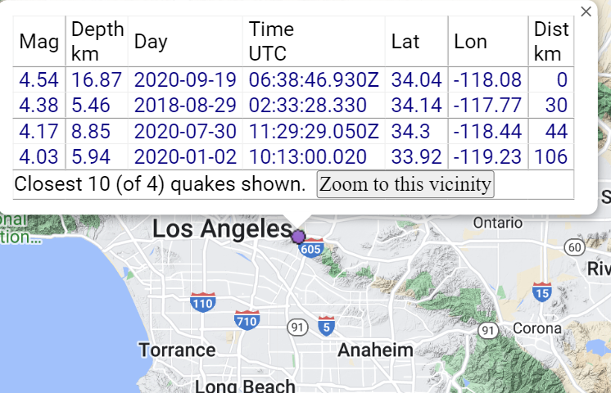
4 | 2020 San Fernado | weird waves in north component
5 | 2014 Fullerton

